Sheet1
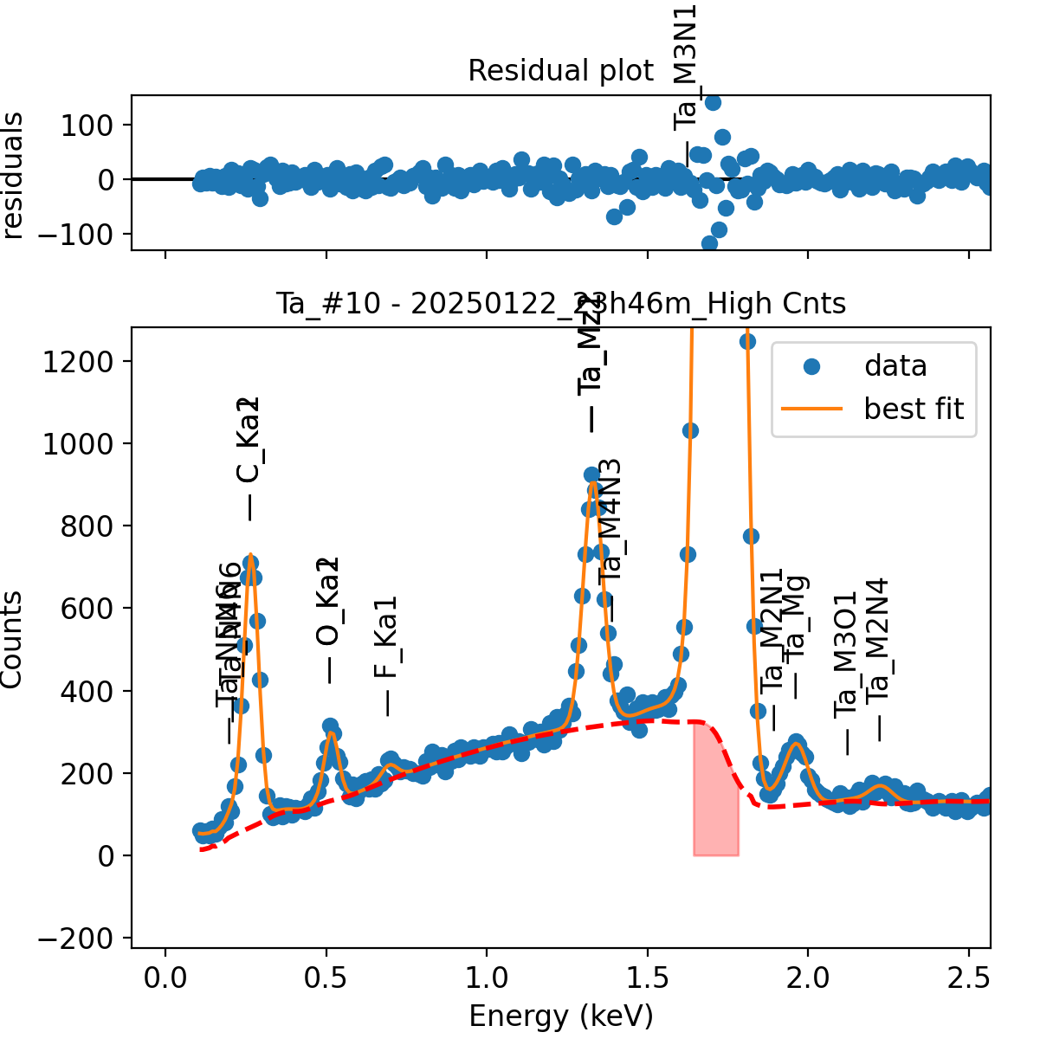
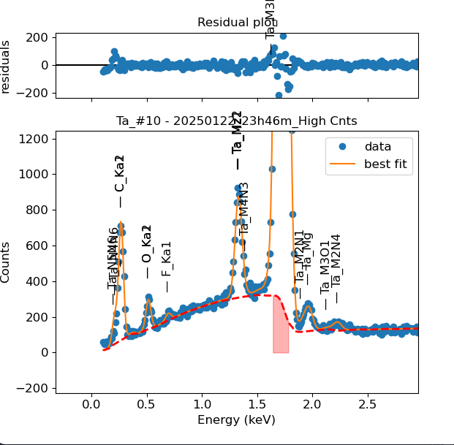
Weights calibrated measuring a pure Ta standard, bulk, polished |  |  |  |  |  |  | M3_O5 added despite beiong missing from NIST databse, because it seemed like it was present in the spectra
Area of all peaks is fitted
A constant shift or broadening is maintained across all peaks
Kept weights around M2-N4 set to 0, as per original NIST file, but these peaks are probably present given the shape of the peak

Ta |  | Meas 1 | Meas 2 | Meas 3 | Meas 4 | Meas 5 | Meas 6 | Meas 7 | Meas 8 | Meas 9 | Meas 10
Ma1 |  | 335.308 | 343.601 | 352.292 | 352.809 | 342.596 | 341.541 | 336.454 | 341.18 | 328.283 | 344.779
Mz1 |  | 45.345 | 0 | 0 | 0 | 17.421 | 3.109 | 44.407 | 0 | 32.461 | 21.469
Mz2 |  | 0.003 | 43.666 | 44.419 | 44.374 | 28.525 | 43.695 | 0 | 45.209 | 15.177 | 23.482
Mz1 + Mz2 |  | 45.348 | 43.666 | 44.419 | 44.374 | 45.946 | 46.804 | 44.407 | 45.209 | 47.638 | 44.951
M3N1 |  | 10.413 | 9.75 | 6.332 | 6.125 | 6.636 | 9.608 | 4.758 | 8.833 | 9.041 | 6.283
Mb |  | 216.639 | 201.971 | 207.455 | 206.545 | 232.832 | 215.41 | 218.843 | 214.48 | 218.407 | 215.615
M2N1 |  | 2.684 | 2.17 | 2.873 | 3.157 | 3.974 | 2.733 | 3.615 | 3.261 | 4.797 | 2.222
Mg |  | 12.168 | 12.373 | 13.859 | 14.326 | 13.824 | 13.502 | 14.876 | 12.249 | 14.297 | 13.081
M3O1 |  | 0 | 0.004 | 0 | 0.375 | 0.039 | 0.327 | 0.182 | 0 | 0.991 | 0.297
M2N4 |  | 3.265 | 3.19 | 3.102 | 4.033 | 4.795 | 4.361 | 4.157 | 3.234 | 4.27 | 4.145
N5N6 |  | 1.461 | 0.285 | 0 | 0.958 | 2.01 | 2.4 | 0.543 | 1.993 | 1.955 | 1.002
N4N6 |  | 1.134 | 2.236 | 2.527 | 1.91 | 0 | 0.005 | 2.351 | 0 | 0 | 0.007
N5N6 + N4N6 |  | 2.595 | 2.521 | 2.527 | 2.868 | 2.01 | 2.405 | 2.894 | 1.993 | 1.955 | 1.009

Line | Original w | Meas 1 | Meas 2 | Meas 3 | Meas 4 | Meas 5 | Meas 6 | Meas 7 | Meas 8 | Meas 9 | Meas 10 | Mean | Stdev | Er (%)
Ma1 | 1 | 1.0000 | 1.0000 | 1.0000 | 1.0000 | 1.0000 | 1.0000 | 1.0000 | 1.0000 | 1.0000 | 1.0000 | 1.00000
Mz1 | 0.02796 | 0.1352 | 0.0000 | 0.0000 | 0.0000 | 0.0508 | 0.0091 | 0.1320 | 0.0000 | 0.0989 | 0.0623 | 0.04883 | 0.0560 | 114.60
Mz2 | 0.09379 | 0.0000 | 0.1271 | 0.1261 | 0.1258 | 0.0833 | 0.1279 | 0.0000 | 0.1325 | 0.0462 | 0.0681 | 0.08370 | 0.0532 | 63.53
Mz1+Mz2 | 0.12175 | 0.1352 | 0.1271 | 0.1261 | 0.1258 | 0.1341 | 0.1370 | 0.1320 | 0.1325 | 0.1451 | 0.1304 | 0.13253 | 0.0059 | 4.43
M3N1 | 0.0301 | 0.0311 | 0.0284 | 0.0180 | 0.0174 | 0.0194 | 0.0281 | 0.0141 | 0.0259 | 0.0275 | 0.0182 | 0.02281 | 0.0060 | 26.16
Mb | 0.47699 | 0.6461 | 0.5878 | 0.5889 | 0.5854 | 0.6796 | 0.6307 | 0.6504 | 0.6286 | 0.6653 | 0.6254 | 0.62883 | 0.0331 | 5.26
M2N1 | 0.01048 | 0.0080 | 0.0063 | 0.0082 | 0.0089 | 0.0116 | 0.0080 | 0.0107 | 0.0096 | 0.0146 | 0.0064 | 0.00924 | 0.0025 | 27.36
Mg | 0.03388 | 0.0363 | 0.0360 | 0.0393 | 0.0406 | 0.0404 | 0.0395 | 0.0442 | 0.0359 | 0.0436 | 0.0379 | 0.03937 | 0.0029 | 7.49
M3O1 | 0.00246 | 0.0000 | 0.0000 | 0.0000 | 0.0011 | 0.0001 | 0.0010 | 0.0005 | 0.0000 | 0.0030 | 0.0009 | 0.00066 | 0.0009 | 142.62
M2N4 | 0.01295 | 0.0097 | 0.0093 | 0.0088 | 0.0114 | 0.0140 | 0.0128 | 0.0124 | 0.0095 | 0.0130 | 0.0120 | 0.01129 | 0.0018 | 16.18
N5N6 | 0 | 0.0044 | 0.0008 | 0.0000 | 0.0027 | 0.0059 | 0.0070 | 0.0016 | 0.0058 | 0.0060 | 0.0029 | 0.00371 | 0.0024 | 65.85
N4N6 | 0 | 0.0034 | 0.0065 | 0.0072 | 0.0054 | 0.0000 | 0.0000 | 0.0070 | 0.0000 | 0.0000 | 0.0000 | 0.00295 | 0.0033 | 110.92
N5N6 + N4N6 | 0 | 0.0077 | 0.0073 | 0.0072 | 0.0081 | 0.0059 | 0.0070 | 0.0086 | 0.0058 | 0.0060 | 0.0029 | 0.00666 | 0.0016 | 24.36

The fitting of peaks M3N4 + Mg + M2N1 varies, but their sum is constant and equal to 0.0105
So we use the original ratios to diustribute the sum among the 3 peaks, giving:

 | N4N5 | N4N6 | Sum |  |  |  |  |  |  | Mz1 | MZ2 | Sum
Original ratio | 0.50000 | 0.50000 |  | We use ratio from heavier elements |  |  |  |  | Original ratio | 0.22965 | 0.77035
Resulting weights: | 0.00333 | 0.00333 | 0.00666 |  |  |  |  |  | Resulting weights: | 0.03044 | 0.10210 | 0.13253

Without fixing the peaks above: |  |  |  |  |  |  |  |  |  |  | Fixing the peaks above:

